Disponibilità
 | M.ABORSE | M.ABORSE
Immagini | Articolo | Descrizione | U | Totale | WLS | RTL | MADE IN | COMPOSITION
 | MBD250122001 | MONICA SHOPPER BAG - BORDEAUX | 100 | 100 | 72.00 € | 180.00 € | CN | 100%PL
 | MBD250122003 | MONICA SHOPPER BAG - BLU | 100 | 100 | 72.00 € | 180.00 € | CN | 100%PL
 | MBD250122053 | MONICA SHOPPER BAG - BEIGE | 100 | 100 | 72.00 € | 180.00 € | CN | 100%PL
 | MBD250122057 | MONICA SHOPPER BAG - T.MORO | 100 | 100 | 72.00 € | 180.00 € | CN | 100%PL
 | MBD250222001 | RITA CAMERA BAG - BORDEAUX | 100 | 100 | 56.00 € | 140.00 € | CN | 100%PL
 | MBD250222003 | RITA CAMERA BAG - BLU | 100 | 100 | 56.00 € | 140.00 € | CN | 100%PL
 | MBD250222053 | RITA CAMERA BAG - BEIGE | 100 | 100 | 56.00 € | 140.00 € | CN | 100%PL
 | MBD250222057 | RITA CAMERA BAG - T.MORO | 99 | 99 | 56.00 € | 140.00 € | CN | 100%PL
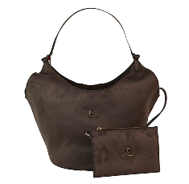 | MBD250322010 | MARINA SHUOLDER BAG - BROWN | 100 | 100 | 72.00 € | 180.00 € | CN | 100% SUEDE
 | MBD250322012 | MARINA SHUOLDER BAG - TERRACOTTA | 100 | 100 | 72.00 € | 180.00 € | CN | 100% SUEDE
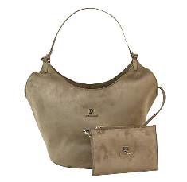 | MBD250322053 | MARINA SHUOLDER BAG - BEIGE | 100 | 100 | 72.00 € | 180.00 € | CN | 100% SUEDE
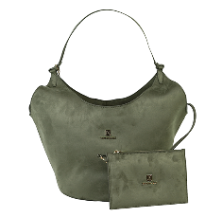 | MBD250322097 | MARINA SHUOLDER BAG - CHIVE | 100 | 100 | 72.00 € | 180.00 € | CN | 100% SUEDE
 | MBD250422004 | KATE SHOULDER BAG - BLACK | 100 | 100 | 84.00 € | 210.00 € | CN | 100%PL
 | MBD250422010 | KATE SHOULDER BAG - BROWN | 100 | 100 | 84.00 € | 210.00 € | CN | 100%PL
 | MBD250422012 | KATE SHOULDER BAG - TERRACOTTA | 100 | 100 | 84.00 € | 210.00 € | CN | 100%PL
 | MBD250422053 | KATE SHOULDER BAG - BEIGE | 100 | 100 | 84.00 € | 210.00 € | CN | 100%PL
 | MBD250522001 | SANDRA POCHETTE - BORDEAUX | 100 | 100 | 56.00 € | 140.00 € | CN | 100%PU
 | MBD250522004 | SANDRA POCHETTE - BLACK | 100 | 100 | 56.00 € | 140.00 € | CN | 100%PU
 | MBD250522010 | SANDRA POCHETTE - BROWN | 100 | 100 | 56.00 € | 140.00 € | CN | 100%PU
 | MBD250522053 | SANDRA POCHETTE - BEIGE | 100 | 100 | 56.00 € | 140.00 € | CN | 100%PU
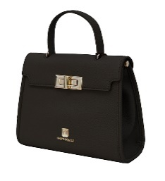 | MBD250673004 | PATTY HANDLE BAG - BLACK | 100 | 100 | 72.00 € | 180.00 € | CN | 100%PL
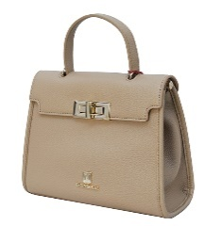 | MBD250673058 | PATTY HANDLE BAG - TORTORA | 100 | 100 | 72.00 € | 180.00 € | CN | 100%PL
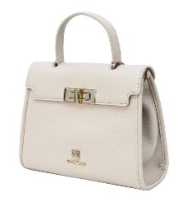 | MBD250673063 | PATTY HANDLE BAG - MILK | 100 | 100 | 72.00 € | 180.00 € | CN | 100%PL
 | MBD250773004 | PATTY SMALL HANDLE BAG - BLACK | 100 | 100 | 64.00 € | 160.00 € | CN | 100%PL
 | MBD250773058 | PATTY SMALL HANDLE BAG - TORTORA | 100 | 100 | 64.00 € | 160.00 € | CN | 100%PL
 | MBD250773063 | PATTY SMALL HANDLE BAG - MILK | 100 | 100 | 64.00 € | 160.00 € | CN | 100%PL
 | MBD250870004 | SOFIA HANDLE BAG - BLACK | 100 | 100 | 76.00 € | 190.00 € | CN | 100%PL
 | MBD250870006 | SOFIA HANDLE BAG - GREY | 100 | 100 | 76.00 € | 190.00 € | CN | 100%PL
 | MBD250870046 | SOFIA HANDLE BAG - COCCIO | 100 | 100 | 76.00 € | 190.00 € | CN | 100%PL
 | MBD250970004 | SOFIA MINIHANDLE BAG - BLACK | 100 | 100 | 68.00 € | 170.00 € | CN | 100%PL
 | MBD250970006 | SOFIA MINIHANDLE BAG - GREY | 99 | 99 | 68.00 € | 170.00 € | CN | 100%PL
 | MBD250970046 | SOFIA MINIHANDLE BAG - COCCIO | 100 | 100 | 68.00 € | 170.00 € | CN | 100%PL
 | MBD251074004 | ALBABAGUETTE - BLACK | 100 | 100 | 68.00 € | 170.00 € | CN | 100%PL
 | MBD251074010 | ALBABAGUETTE - BROWN | 100 | 100 | 68.00 € | 170.00 € | CN | 100%PL
 | MBD251074033 | ALBABAGUETTE - SIGARO | 99 | 99 | 68.00 € | 170.00 € | CN | 100%PL
 | MBD251174004 | ALBA MINIBAGUETTE - BLACK | 99 | 99 | 60.00 € | 150.00 € | CN | 100%PL
 | MBD251174010 | ALBA MINIBAGUETTE - BROWN | 100 | 100 | 60.00 € | 150.00 € | CN | 100%PL
 | MBD251174033 | ALBA MINIBAGUETTE - SIGARO | 101 | 101 | 60.00 € | 150.00 € | CN | 100%PL
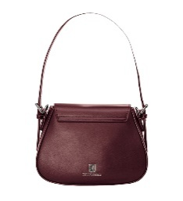 | MBD251407001 | GRAZIA SMALL SADDLE BAG - BORDEAUX | 100 | 100 | 54.00 € | 135.00 € | CN | 80%PL 20%SUEDE
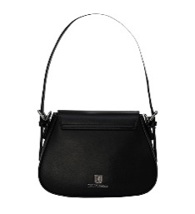 | MBD251407004 | GRAZIA SMALL SADDLE BAG - BLACK | 100 | 100 | 54.00 € | 135.00 € | CN | 80%PL 20%SUEDE
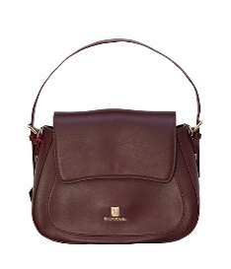 | MBD251507001 | GRAZIA SADDLE BAG - BORDEAUX | 100 | 100 | 60.00 € | 150.00 € | CN | 80%PL 20%SUEDE
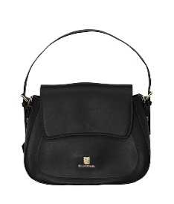 | MBD251507004 | GRAZIA SADDLE BAG - BLACK | 100 | 100 | 60.00 € | 150.00 € | CN | 80%PL 20%SUEDE
 | MBD251607003 | CAROL MINIFLAP BAG - BLU | 100 | 100 | 60.00 € | 150.00 € | CN | 80%PL 20%SUEDE
 | MBD251607004 | CAROL MINIFLAP BAG - BLACK | 100 | 100 | 60.00 € | 150.00 € | CN | 80%PL 20%SUEDE
 | MBD251607008 | CAROL MINIFLAP BAG - RED | 100 | 100 | 60.00 € | 150.00 € | CN | 80%PL 20%SUEDE
 | MBD251607099 | CAROL MINIFLAP BAG - TAUPE | 100 | 100 | 60.00 € | 150.00 € | CN | 80%PL 20%SUEDE
 | MBD251707003 | CAROL FLAP BAG - BLU | 99 | 99 | 68.00 € | 170.00 € | CN | 80%PL 20%SUEDE
 | MBD251707004 | CAROL FLAP BAG - BLACK | 100 | 100 | 68.00 € | 170.00 € | CN | 80%PL 20%SUEDE
 | MBD251707099 | CAROL FLAP BAG - TAUPE | 100 | 100 | 68.00 € | 170.00 € | CN | 80%PL 20%SUEDE
 | MBD251821003 | NICOLE SHOULDER POUCH - BLU | 115 | 115 | 50.00 € | 125.00 € | CN | 100%PL
 | MBD251821004 | NICOLE SHOULDER POUCH - BLACK | 100 | 100 | 50.00 € | 125.00 € | CN | 100%PL
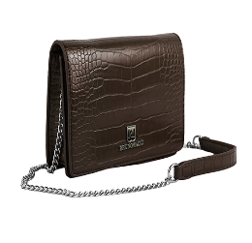 | MBD251821010 | NICOLE SHOULDER POUCH - BROWN | 117 | 117 | 50.00 € | 125.00 € | CN | 100%PL
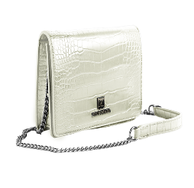 | MBD251821063 | NICOLE SHOULDER POUCH - PANNA | 108 | 108 | 50.00 € | 125.00 € | CN | 100%PL
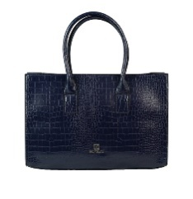 | MBD251921003 | ELENA SHOPPER BAG - BLU | 115 | 115 | 64.00 € | 160.00 € | CN | 100%PL
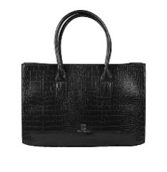 | MBD251921004 | ELENA SHOPPER BAG - BLACK | 100 | 100 | 64.00 € | 160.00 € | CN | 100%PL
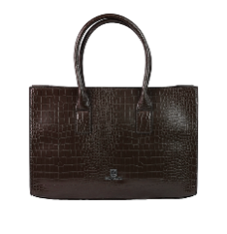 | MBD251921010 | ELENA SHOPPER BAG - BROWN | 117 | 117 | 64.00 € | 160.00 € | CN | 100%PL
 | MBD251921063 | ELENA SHOPPER BAG - PANNA | 108 | 108 | 64.00 € | 160.00 € | CN | 100%PL
 |  | Totale M.ABORSE |  | 5776

